Sheet1
 |  |  |  |  |  |  |  |  |  |  | Colour Box Dimensions |  |  | Shipping Carton |  |  |  |  |  |  | Container Qty's
Product Code | Description | Features | Image 1 | Image 2 | Quantity | RRP | Carton Quantity | Barcode | Commodity Code | Product Dimensions (HxLxW) (cm) | L (cm) | W (cm) | H (cm) | Qty | L (cm) | W (cm) | H (cm) | CBM | Gross Weight | Net Weight | MOQ | 20ft | 40ft | 40HQ
EK5932BLK | SALTER TORONTO 20L DIG MICROWAVE - BLACK | 800W POWER 20L CAPACITY DIGITAL LED DISPLAY 5 POWER LEVELS 95 MINUTE TIMER 25.5CM GLASS TURNTABLE 8 AUTO COOKING FUNCTIONS |  |  | 226 Pieces Available Now 390 Pieces Due 14/11/2025 | £79.99 | 1 | 5054061505375 | 8516500000 | Product: 25.9 x 44 x 33.5 | 48.8 | 38 | 29.1 | 1 | 48.8 | 38 | 29.1 | 0.05396 | 11.7 | 10.7 | 1000 | 581 | 1240 | 1336
EK6443BGRY | SALTER MARINO 20L MANUAL MICROWAVE | 800W POWER 20L CAPACITY MANUAL DIAL CONTROL 5 POWER LEVELS 35 MINUTE TIMER 25.5CM GLASS TURNTABLE |  |  | 1453 Pieces Available Now | £69.99 | 1 | 5054061592696 | 8516500000 | Product: 25.9 x 44 x 35.9 | 49.6 | 39.6 | 29.7 | 1 | 49.6 | 39.6 | 29.7 | 0.05834 | 12.75 | 11.52 | 1000 | 512 | 1102 | 1240
EK6776SGE | SALTER MALMO DIGITAL MICROWAVE - SAGE | 800W POWER 20L CAPACITY DIGITAL CONTROL DEFROST FEATURE 60 MINUTE TIMER 27CM GLASS TURNTABLE |  |  | 545 Pieces Due 19/03/2026 | £79.99 | 1 | 5054061633351 | 8516500000 | Product: 25.8 x 45.1 x 31.3 | 52.3 | 39.6 | 30.7 | 1 | 52.3 | 39.6 | 30.7 | 0.06358 | 12.8 | 10.8 | 1000 | 470 | 955 | 1090
LA033491CDUPBMFOB | UNIVERSAL 110-126CM BOARD COVER - CDU | BELDRAY UNIVERSAL IRONING BOARD COVER FITS SIZE BOARD: 110 X 33 - 126 X 45CM THICK FELT UNDERLAY FOR A SMOOTH PRESS PRINTED DESIGN HEAT REFLECTIVE COATING ELASTICATED FIT WITH TOGGLE FASTENING FOR EASY ADJUSTING SECURELY FITS MOST IRONING BOARDS | 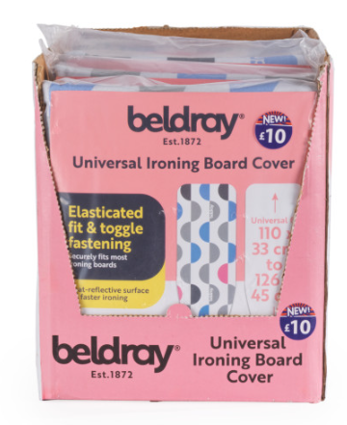 | 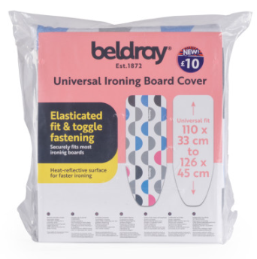 |  | £19.99 | 6 | 1000040278147 | 6307909899 | Product: 25 x 21 x 5 | 22.5 | 8 | 25 | 6 | 45 | 23 | 28 | 0.02898 | 2.83 | 2.22 | 1000 | 5760 | 12000 | 14760
LA033491FEU7 | UNIVERSAL110-126CM BOARD COVER | BELDRAY UNIVERSAL IRONING BOARD COVER FITS SIZE BOARD: 110 X 33 - 126 X 45CM THICK FELT UNDERLAY FOR A SMOOTH PRESS PRINTED DESIGN HEAT REFLECTIVE COATING ELASTICATED FIT WITH TOGGLE FASTENING FOR EASY ADJUSTING SECURELY FITS MOST IRONING BOARDS |  |  | 1514 Pieces Available Now | £19.99 | 12 | 5054061535839 | 6307909899 | Product: 25 x 21 x 5 | 21.5 | 5.5 | 31 | 12 | 47.5 | 46.5 | 28 | 0.06185 | 5.78 | 4.52 | 1000 | 5628 | 11270 | 13392

